StormChamber System Calculator
DESIGN CALCULATOR |  |  |  |  |  |  |  |  |  |  |  |  |  |  |  |  |  |  |  |  |  |  |  |  |  | NOTES

 | Project Name: |  | MY PROJECT |  |  |  |  |  |  |  |  | For more information visit ndspro.com, or if you need help call us at 571-521-9538
 |  | Engineer:
 |  | Location: |  |  |  |  |  |  |  |  |  |  |  | CLICK HERE FOR DEIGN HELP OR TO REQUEST A LAYOUT
 |  | Date:

Design calculator is for initial estimation or conceptual purposes.
Let NDS Designworx provide a complete system layout free of charge.
 | ENTER SYSTEM PARAMETERS |  |  |  |  |  | SYSTEM RESULTS

 |  | Measurement Type |  |  | Imperial

 |  | Input Storage Volume |  |  | 50 | ft³

 |  | Select the Chamber Model |  |  | SC-18

Additional Cover Above System
 |  |  |  |  |  |  |  |  |  |  |  |  |  |  |  |  |  |  |  |  |  | ft
 |  | Select Design Constraint |  |  | Width |  |  |  | 12 | in |  |  |  |  |  |  |  |  |  |  | 2.50 |  |  | 3.50 | ft

Stone Layer Above
 | Design Constraint Dimension |  |  |  | 12 | ft |  |  | 6 |  |  |  |  |  |  |  |  |  |  |  | System Depth |  |  | Trench Depth
 |  |  |  |  |  |  |  |  |  | in
 | Stone Above Chambers (min. 6 inches; max. 192 inches) |  |  |  | 6 | in
Perimeter
Stone
Perimeter
Stone
STORMCHAMBER SYSTEM
 |  | Stone Below Chambers (min. 6 inches) |  |  | 6 | in |  |  | SC-18
 |  |  |  |  |  |  |  | Chamber Height
 | Total Cover Over Chambers (min. 18 inches; max. 192 inches) |  |  |  | 18 | in

Stone Layer Below
 |  | Stone Void (Industry Standard is 40%) |  |  | 40 | % |  |  | 6 | in |  |  |  |  |  |  |  |  |  | 5.17 |  | ft
 |  |  |  |  |  |  |  |  |  |  |  |  |  |  |  |  |  |  |  | Minimum Trench Width

 |  | Desired Number of Layers |  |  | 1 |  |  |  |  |  |  | 10.42 |  |  | ft | Minimum Trench Length

 |  | Space Between each Layer (min. 12 Inches) |  |  | 12 | in

 |  | Number of Rows Desired |  |  | 1

 | Maximum Number of Rows Based on Constraint Dimension |  |  |  | 1 |  |  |  |  |  |  |  |  |  | Total Chamber Storage Volume |  | 23.64 |  | Cubic Feet

 |  | Space Between Each Row (min. 6 inches) |  |  | 6 | in |  |  |  |  |  |  |  |  | Total Stone Storage Volume |  | 44.36 |  | Cubic Feet

 |  | Number of SedimenTraps Desired |  |  | 0 |  |  |  |  |  |  |  |  |  | Installed System Storage Volume |  | 68.00 |  | Cubic Feet

 |  | Minimum Suggested Number of SedimenTraps (per inflow row) |  |  | 1 |  |  |  |  |  |  |  |  |  | Minimum Internal Storage of a Chamber |  | 21.36 |  | Cubic Feet

 |  | Do you need impervious liner to restrict infiltration? |  |  | yes |  |  |  |  |  |  |  |  |  | Minimum Installed Storage with stone |  | 40.70 |  | Cubic Feet

 |  | Number of Inflow Rows |  |  | 1 |  |  |  |  |  |  |  |  |  | Total Number of Chambers Required |  | 1 |  | Total #

 |  |  |  | Perimeter stone border size 12 Inches |  | in

 | Do you want to Include the Perimeter Stone Storage when Calculating the number of chambers? |  |  |  | yes

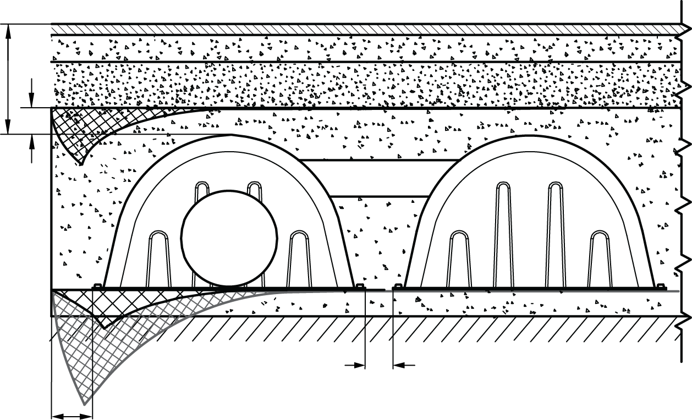
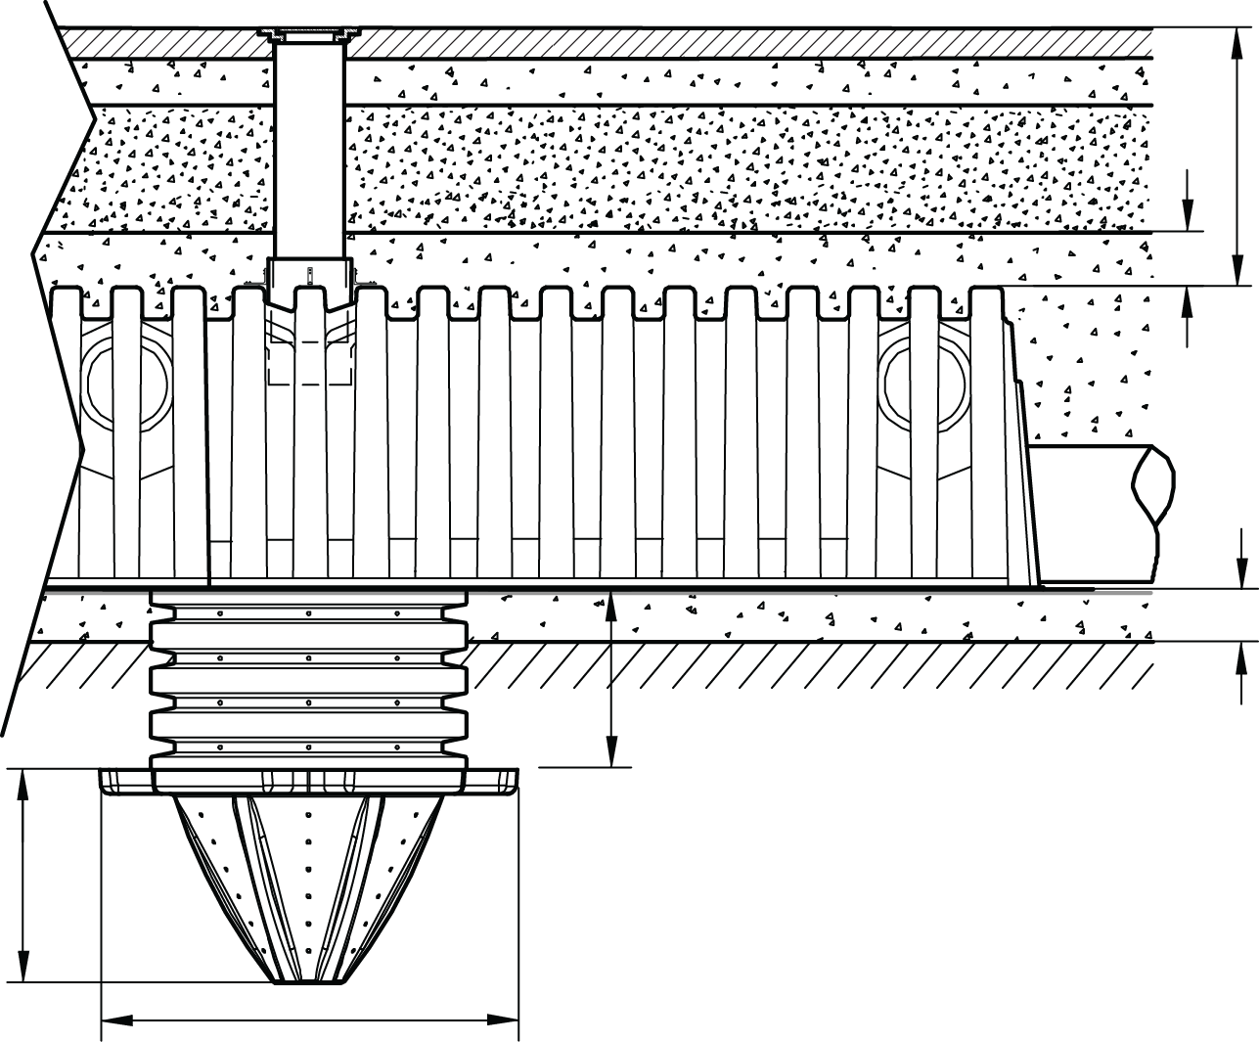

 |  | Trench depths beyond the range suggested may be achievable. For assistance please contact us at (888) 825-4716. |  |  |  |  |  |  | 18 | Inches

 |  | The Input Number of SedimenTraps does not match the Suggested Number of SedimenTraps. Not using the suggested number could result in Calculation Errors. |  |  |  |  |  |  |  |  |  |  |  | 6 | Inches
 |  |  |  |  |  |  |  |  |  |  |  |  |  |  |  |  |  |  |  | 24 Inches

 |  |  |  |  |  |  |  |  |  |  |  |  |  |  |  |  |  |  |  |  |  |  | 47 Inches

 |  |  |  |  |  |  |  |  |  |  |  |  | Minimum Trench Length |  |  | 10.42 |  | ft

 |  |  |  |  |  |  |  |  |  |  |  |  | Minimum Trench Width |  |  | 5.17 |  | ft

 |  |  |  |  |  |  |  |  |  |  |  |  | System Depth |  |  | 2.50 |  | ft
 |  |  |  |  |  |  |  |  |  |  |  |  | Trench Depth |  |  | 3.50 |  | ft
 |  |  |  |  |  |  |  |  |  |  |  |  | Minimum Bed Size Required |  |  | 54 |  | Square Feet

 |  |  |  |  |  |  | OTHER SYSTEM COMPONENTS

 |  |  |  |  |  |  |  |  |  |  |  |  | Minimum Amount of Stone Required |  | 4 |  |  | Cubic Yards | 3/4" - 2" crushed, washed, ANGULAR stone.
 |  |  |  |  |  |  |  |  |  |  |  |  | Volume of Excavation (not including fill) |  | 5 |  |  | Cubic Yards
 |  |  |  |  |  |  |  |  |  |  |  |  | Non-woven Filter Fabric Required |  | 91 |  |  | Square Yards
 |  |  |  |  |  |  |  |  |  |  |  |  | Stabilization Fabric |  |  | 1 |  | Pieces
 |  |  |  |  |  |  |  |  |  |  |  |  | Impervious Liner |  | 57 |  |  | Square Yards

 |  |  |  |  |  |  |  |  |  |  | 11 1 2022 REV 1

 |  |  | stone below min
 |  |  | stone below max

 |  |  | cover min
 |  |  | cover max

 |  |  | space between layer

 |  |  | L1 min
 |  |  | max
 |  |  | L2 min
 |  |  | max
 |  |  | L3 min
 |  |  | max

 |  |  | stone below min
 |  |  | stone below max

 |  |  | cover min
 |  |  | cover max

 |  |  | space between layers

 |  |  | L1 min
 |  |  | max
 |  |  | L2 min
 |  |  | max
 |  |  | L3 min
 |  |  | max

